MDT Specific
 | General Notes, Assumptions, and Guidance:

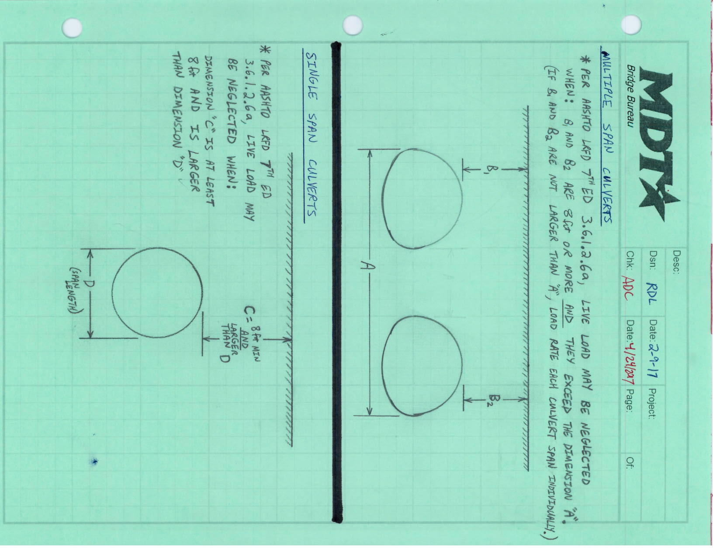
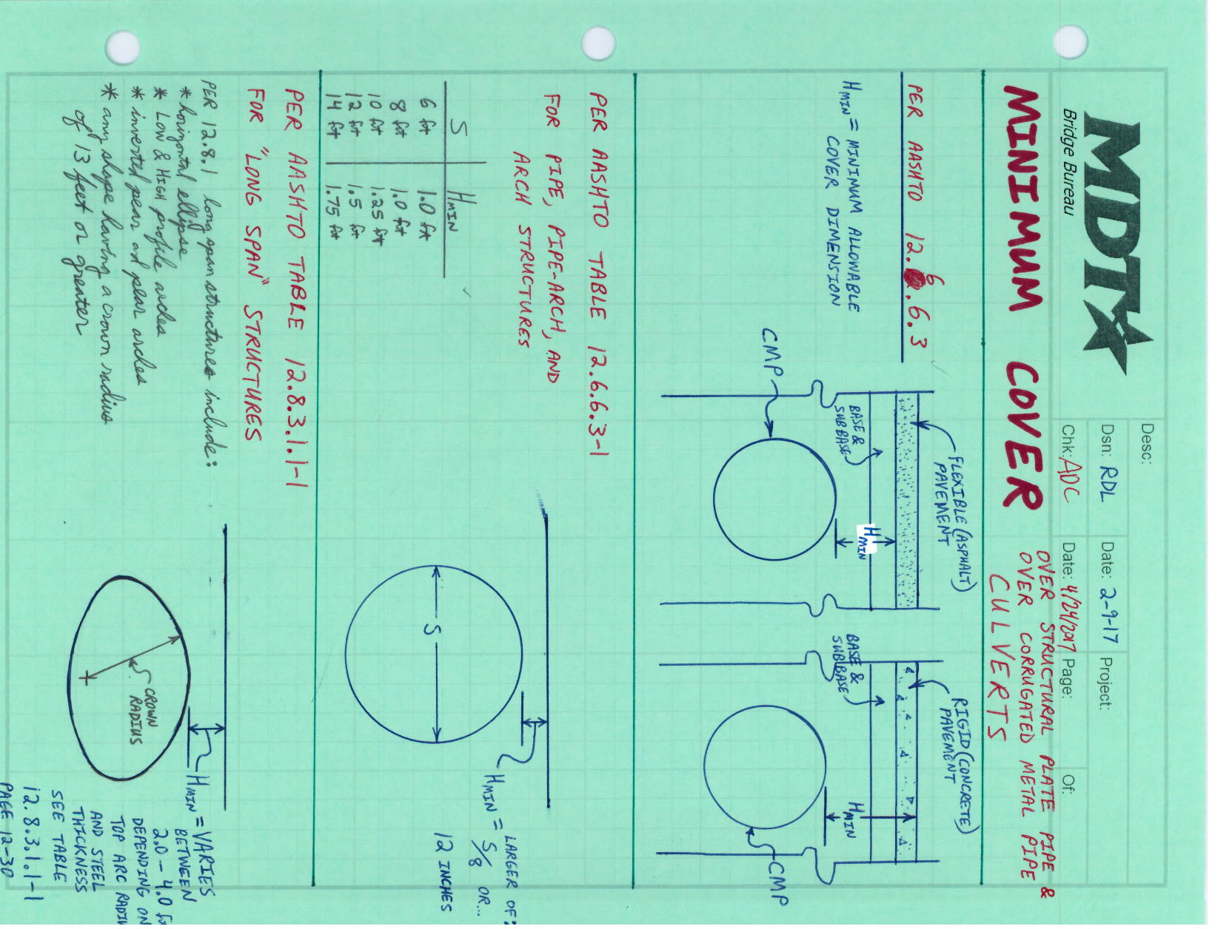
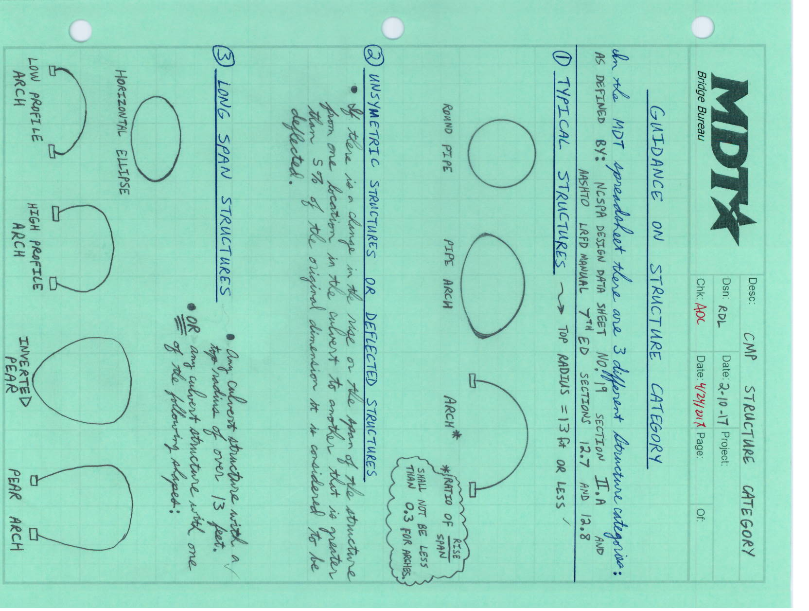
 | This Spreadsheet is intended for the use of load rating corrugated metal pipe culverts only.

 | The spreadsheet only rates the following vehicles:
 | HL-93 Truck
 | HL-93 Tandem
 | AASHTO Type 3 Truck
 | AASHTO Type 3S2 Truck
 | AASHTO Type 3-3 Truck
 | AASHTO SU4 Truck
 | AASHTO SU5 Truck
 | AASHTO SU6 Truck
 | AASHTO SU7 Truck
 | FHWA - EV2 Truck
 | FHWA - EV3 Truck

 | The spreadsheet :
* | Is based upon an original CMP load rating spreadsheet created by the Ohio Department of Transportation.
* | Utilizes the NCSPA procedure as presented in the NCSPA Design Data Sheet No 19.
* | Uses the maximum vertical pressure produced on the culvert for the given: vehicle configuration (axle loads axle spacings, etc.) , cover depth, culvert span, and each unique position of the truck in 1 foot increments, as it runs across the span of the culvert.
* | Considers the total load divided by the area (at depth) over which the load acts on the culvert.
* | Does not account for skew of the culvert to the roadway.
* | Assumes a flat grade over the span of the culvert.
* | Assumes that the distributed load width is less than the culvert length.
* | Calculates the maximum pressure at any point as the vehicle crosses the culvert and uses that pressure across the whole culvert in the load rating procedure.
* | Is intented to analyze culverts for a distributed live load, however an alternate configuration analyzing a point load may be utilized when warranted by engineering judgement.
* | Calculates the load distribution at depth per AASHTO LRFD 7th Ed with 2015 interims section 3.6.1.2.6b.

CMP Input
MDT Bridge No: |  | Sheet Number: |  | Of
NBI Bridge No: |  |  | MDT Version 2.1
Feature Intersected: |  | Location: |  |  |  |  |  |  | This spreadsheet was adapted from the spreadsheet "CMP_LRFR_modified_minimum_Cover_SHV", that was provided to the Montana Department of Transportation (MDT) on Feb 10, 2017 by Cindy Wang of the Ohio Department of Transportation (ODOT). Cindy was the creator of the original ODOT spreadsheet. This MDT version of the spreadsheet has been modified from it's original ODOT form, to meet the needs of the MDT.
Year Built: |  | Loaded Rated By: |  | Date:
Bridge Type: | Corrugated Metal Pipe | Checked By: |  | Date:

CORRUGATED METAL STRUCTURE (CIRCULAR & PIPE ARCH) & ARCHES
S
Longitudinal Length of Structure "L"

R
Minimum Depth of Fill above crown "H"
 |  |  |  |  |  | yellow shaded areas are required input.
 |  |  |  |  |  | input a value or choose an option from a drop-down list

Section A-A
(ARCH)
A

t
R
R
S
c
A
ELEVATION
SEE SETAIL "B"

Section A-A
(CIRCULAR)
t
M

P

d
R
S
Straight edge mid ordinate to check curvature:
Radius = M/2 + P²/(8M)
P = Length of straight edge
M = Mid Ordinate

Section A-A
(PIPE ARCH)
DETAIL B
(METAL CORRUGATEION & GAGE INFORMATION)
C
Determining Actual Radius *
(from field measurement)
* For unsymmetrical structures, structures deflected more than 5% from design shape, or those that show localized distortions require that the actual maximum radius be determined in those distorted areas as show above. Use two times the actual maximum radius rather than the span in structural design checks. Typically this provides a conservative evaluation of the structure. Calculate maximum existing top radius by taking measurements around the upper periphery of the culvert using a ruler of length "P" to obtain values of "M". This should be done at selected stations along length of culvert, particularly at locations with noticeable sag.
LRFR of In-Service, Corrugated Metal Pipe Structures
Based on AASHTO LRFD Bridge Design Specifications, Section 3, 4 & 12 & NCSPA Design Data Sheet No. 19 & MDT Bridge Inspection and Rating Manual 2015 Chapter 8
(do not use this spreadsheet to load rate Structural Plate Box Culverts)

Structure Information (from existing bridge plans & field measurements):
 |  | ("←" : choose from a drop-down list)
Structure Type (to determine Minimum Cover): |  | Long Span Structural Plate |  |  | ← | -
Seam Type (to determine Seam Strength): |  | Annular pipe w/ spot welded, riveted or bolted seam |  |  | ←
Structure Category (based on NCSPA Design Data Sheet No. 19) |  | Typical (NCSPA design data sheet No. 19, II. A. 1.) |  |  | ←
* Depth of Fill "H" (ft) = (fill depth used for dead & live load calculations) |  | 3.50 |  | -
* Minimum Cover Depth "Hmin" (ft) = (fill depth used to check minimum cover requirement) |  | 3.25 |  | - |  | * AASHTO LRFD C 12.6.6.3: Minimum Cover Orientation
Flexible Pipe
H_{min}
Flexible Pavement
Base Course
Subbase
Flexible Pipe
H_{min}= H
Rigid Pavement
Base Course
Subbase
Span Length "S" (ft) = |  | 15.00
H
Rise "R" (ft) = |  | 6.00
Longitudinal Length of Structure "L" (ft) = |  | 68.00
Determine Actual Top Radius "Rt" (ft) = (can be determined by field measurements or hand calculations) |  | 7.50
Metal Corrugation & Gage Information: |  | Metal Type | Steel |  | ←
 |  | Corrugation (if known) | 6 x 2 (steel structural plate pipe) |  | ←
 |  | Gage number (if known) | 7 |  | ←
 |  | c (in) = |  | Note: If corrugation & gage number are known, leave the input cells for "c", "d" & "t" blank; if corrugation & gage number are unknown, field measurements of "c", "d" & "t" are required. |  | Note: The minimum cover dimension is not to be confused with the fill height used for calculation purposes, which shall be from the top of the pipe to the top of the surface, regardless of the pipe type or pavement type.
 |  | d (in) =
 |  | t (in) =
Pipe Crown Deflection ** (if any) = |  | 0%
Metal Loss based on materials field evaluation (if any) = |  | 0%
** reduction in rise divided by the span length from design shape in the unit of percentage
Load Rating Input Sheet
Pipe Cross-Section Properties | As (in2/ft) = | 2.739 | Input these values based on metal type, corrugation, gage number or pipe wall thickness, see tables in worksheet "section property tables".
 | r (in) = | 0.6880
 | I x 10-3 (in4/in) = | 108.000

Pipe Seam Strength | Seam Strength (k/ft) = | 93.0 | Input the seam strength value based on metal type, corrugation, gage number or pipe wall thickness, see tables in worksheet "seam strength tables"
 |  |  |  |  |  | LRFR Load Factors
 |  |  |  |  |  | Bridge Type | Limit State | Dead Load gDC | Vert. Earth Press. EV for CMPs | HL-93 Loading
 |  |  |  |  |  |  |  |  |  | Inv. gLL | Oper. gLL
Backfill | δ = Soil density (k/ft3) = | 0.120 |  |  |  | Steel | Strength I | 1.25 | 1.95 | 1.75 | 1.35
 | φE = Live Load Distribution Factor for Buried Structures (per AASHTO LRFD 3.6.1.2.6) | 1.150 | Use 1.15 unless the inspection indicates observable low quality backfill, in which case use 1.0.

Load Factors | ƞR (for nonredundant members) = | 1.00 | AASHTO LRFD 12.5.4. & 1.3.4 |  |  | LRFR Load Factors for Legal Loads & SHV based on MBE Table 6A.4.4.2.3a-1 & Table 6A.4.4.2.3b-1
 | gEV (Vertical Earth Pressure for CMPs) = | 1.95 | Input the load factors based on the "LRFR Load Factors" table on the right
 | gLL (HL-93 Loading - Inventory) = | 1.75 |  |  |  | Traffic Volume (one direction) |  | Load Factor
 | gLL (HL-93 Loading - Operating) = | 1.35 |  |  |  | Unknown |  | 1.45 |  | Interpolate or use the larger value when 1000 < ADTT < 5000
 | g LL(Legal Loads & SHVs - Operating - based on ADTT) = | 1.30 |  |  |  | Recent ADTT ≥ 5000 |  | 1.45
 | ADTT = | 90 | Estimate the ADTT for the culvert site using the ADT and the % trucks from the MDT SMS website. If the ADT or the % trucks is not listed in SMS, assume the ADTT to be less than 100. Do not leave blank. Contact MDT with any questions. |  |  | Recent ADTT ≤ 1000 |  | 1.30

Critical Load Parameter(s) for Arch |  | 0.40
 |  | 33.0 | Input the value obtained from the worksheet "Critical Load Parameter Tables" based on rise to span ratio and support type, when R/S ≥0.5, input the value for R/S = 0.5 |  |  | R= rise, S= span; qcr = critical intensity of distributed load
 |  | 98.0
 | Critical Load Parameter Selected: | Standard (Uniform Load)

Condition Factor | ϕc = | 1.00 | AASHTO MBE 2nd Edition Table 6A.4.2.3-1 & C6A.4.2.3-1
System Factor | ϕs = | 1.00 | AASHTO MBE 2nd Edition Table 6A.4.2.4-1
 | ϕc ϕs ≥ 0.85 = | 1.00 |  |  |  | Condition Factor (AASHTO MBE 2nd Edition Table 6A.4.2.3-1 & C6A.4.2.3-1)
 |  |  |  |  |  | Structural Condition of Member |  |  | Superstructure Condition Rating (SI&A Item 59) |  |  | Condition Factor, ϕc =
 |  |  |  |  |  | Good or Satisfactory |  |  | 6 or Higher |  |  | 1.00
 |  |  |  |  |  | Fair |  |  | 5 |  |  | 0.95
 |  |  |  |  |  | Poor |  |  | 4 or Lower |  |  | 0.85

 |  |  |  |  |  | System Factor for Flexural and Axial Effects (AASHTO MBE 2nd Edition Table 6A.4.2.4-1)
 |  |  |  |  |  | Superstructure Type |  |  |  |  |  | System Factor, ϕs =
 |  |  |  |  |  | Welded Members in Two-Girder/Truss/Arch Bridges |  |  |  |  |  | 0.85
 |  |  |  |  |  | Riveted Members in Two-Girder/Truss/Arch Bridges |  |  |  |  |  | 0.90
 |  |  |  |  |  | Multiple Eyebar Members in Truss Bridges |  |  |  |  |  | 0.90
 |  |  |  |  |  | Three-Girder Bridges with Girder Spacing ≤ 6 ft |  |  |  |  |  | 0.85
 |  |  |  |  |  | Four-Girder Bridges with Girder Spacing ≤ 4 ft |  |  |  |  |  | 0.95
 |  |  |  |  |  | All Other Girder Bridges and Slab Bridges |  |  |  |  |  | 1.00
 |  |  |  |  |  | Floorbeams with Spacing > 12 ft and Noncontinuous Struingers |  |  |  |  |  | 0.85
 |  |  |  |  |  | Redundant Stringer Subsystems between Floorbeams |  |  |  |  |  | 1.00

CMP LRFR Output
MDT Bridge No: | 0 | Sheet Number: | 0
Feature Intersected: | 0 | Location:
Year Built: | 0 | Load Rated By: | 0 | Date: | 0
Bridge Type: | Corrugated Metal Pipe | Checked By: | 0 | Date: | 0
 | MDT Version 2.1

LRFR of In-Service, Corrugated Metal Pipe Structures
Based on AASHTO LRFD Bridge Design Specifications, Section 3, 4 & 12 & NCSPA Design Data Sheet No. 19 & MDT Bridge Inspection and Rating Manual 2015
(Do not use this spreadsheet to load rate Structural Plate Box Culverts)

A. Design Dimensions
1. For typical structures, use the actual field measured span for calculations.
2. For unsymmetrical structures or those deflected over 5%:
a. use 2 x the top radius (2 Rt) in lieu of span for calculations.
b. base critical buckling stress calculations on the theoretical design span, reducing the resulting allowable buckling stress by the appropriate multiplier to account for deflection " f " (NCSPA Design Data Sheet No. 19, Figure B.1.1).

3. For all long span structure shapes (horizontal ellipse, low and high profile arches, inverted pear shapes and pear arches), as well as other horizontal ellipses, and for structures with a top radius of over 13 feet (regardless of shape), use 2 x actual top radius (2Rt) in all cases.

 | For Typical Structures : | Design Span = Actual Span "S" (ft) = |  | 15.00

 | For unsymmetrical or deflect more than 5% structures: | Design Span (ft) = 2Rt = |  | 15.00
 |  | Pipe Crown Deflection = |  | 0%
 |  | Buckling Strength Reduction Factor, f * = |  | 0.95
 | * reduction factor f is based on NCSPA Design Data Sheet No 19, II Structural Evaluation A.2.b & Appendix B.1, Figure B.1.1 for Unsymmetrical structures or structures deflected over 5% only.

 | Long Span Structures: | Design Span (ft) = 2Rt = |  | 15.00

Structure Category: |  | Typical (NCSPA design data sheet No. 19, II. A. 1.)

Span Length used in Load Rating Calculation (ft)= |  |  | 15.00
 |  | Incremental Span Length used for Live Load (ft) = | 15.00
Rt (used in Load Rating Calculation) (ft)= |  |  | 7.50 | Radius at top is less than max allowable (25 ft). OK
 |  | Rt (max) * (ft) = | 25.00
 |  |  | * Maximum Plate Radius allowed if Long Span Structural Plate Structures Selected
 |  | Structure Total Length, L = | 68.00 | ft

B. Design Properties

Conduits Mechanical & Section Properties:
Mechanical Properties:
 | Metal Type: | Steel
 | Fy = Minimum Yield Point of the Metal |  |  | 33 | ksi
 | Fu = Minimum Tensile Strength of the Metal |  |  | 45 | ksi
 | Em = Modulus of elasticity of metal |  |  | 29000 | ksi

Section Properties:
Corrugation: | 6 x 2 (steel structural plate pipe)
Gage Number: | 7
c (in) =
d (in) =
t (in) = | 0.188
t (min)** (in) = | 0.111
 | ** Required Minimum Top Arc Thickness if Long Span Structural Plate Structures Selected

As (in2/ft) = | 2.739
r (in) = | 0.6880
I x 10-3 (in4/in) = | 108.000

C. Design Calculations:
 | Structure Type: | Long Span Structural Plate
 | Seam Type: | Annular pipe w/ spot welded, riveted or bolted seam
 | Longitudinal Length of Structure "L" (ft) = |  |  | 68.00
 | AASHTO minimum cover, "h" (ft) = |  |  | 2.50
...
 |  | Based on AASHTO LRFD 3.6.2.2:
Live load Dynamic Load Allowance, IM = |  |  | 33(1.0-0.125 DE) ≥ 0%
 | where, | DE = the minimum depth of earth cover above the structure (ft)

 |  | Minimum depth of earth cover, DE = H= | 3.50 | ft | AASHTO 3.6.2.2
 |  | H (rounded down to nearest 1" or 3" increment) | 3.50 | ft
 |  | IM = | 19%
 |  | (1+IM) = | 1.19

Wheel Load P, P=1/2 Axle Load
 | Calculations will be based on AASHTO LRFD 3.6.1.2.5 & 6:

W_{T}
Tire Contact Area
Direction of Travel
L_{D (total)}
P
L_{D}
P
L_{T}
S_{axle}
P
L_{D}
P
Direction of Travel
L_{D}
P
P
W_{D}
L_{D}
P
Axle loads distributed area
(overlapping along the direction of travel)
H
P
Wheel Spacing
W_{D}
W_{D}
L_{D}
P
P
W_{D}
W_{D}= W_{T}+ φ_{E}H
Distributed Load Area
(no overlapping)
W_{D (total)}
W_{D}
L_{D} = L_{T} + φ_{E}H
Wheel loads distributed area
(overlapping perpendicular to the direction of travel)
Distributed Load Area
Where, WT = Tire contact width, LT = Tire contact length, WD = Distributed load width, LD = Distributed load length

Live Load pressures acting on the culvert at depth.
Distribution of wheel loads through earth fills (per AASHTO LRFD 3.6.1.2.6a and 3.6.1.2.6b)
 | HL-93 Truck | HL-93 Tandem | Type 3 | Type 3S2 | Type 3-3 | SU4 | SU5 | SU6 | SU7 | EV2 | EV3
ρ = | 0.52309 | 0.44826 | 0.32782 | 0.30297 | 0.28209 | 0.34231 | 0.34231 | 0.35679 | 0.35679 | 0.58533 | 0.59779 | ksf
ρ (L+IM) = | 0.670 | 0.574 | 0.420 | 0.388 | 0.361 | 0.438 | 0.438 | 0.457 | 0.457 | 0.750 | 0.765 | ksf
T(L+IM) (k/ft) = | 5.024 | 4.305 | 3.148 | 2.910 | 2.709 | 3.287 | 3.287 | 3.426 | 3.426 | 5.621 | 5.741 | k/ft
Note: The distribution area is set to equal the tire contact area for fills less than 1.0', per LRFD 3.6.1.2.6a
...

Critical Load Parameter Tables
Standard |  | Uniform Load | Alternate |  | Point Load
 | Guide to Stability Design Criteria for Metal Structures, 5th Edition |  | Elastic Buckling of Arches Under Symmetrical Loading
 | by Theodore V. Galambos |  | by Walter Austin, and Timothy Ross (1976)
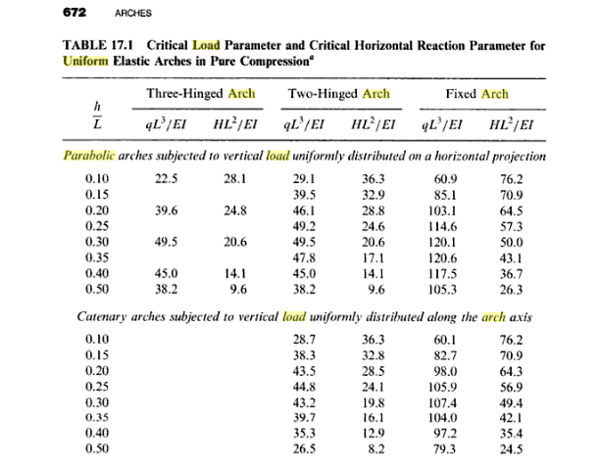

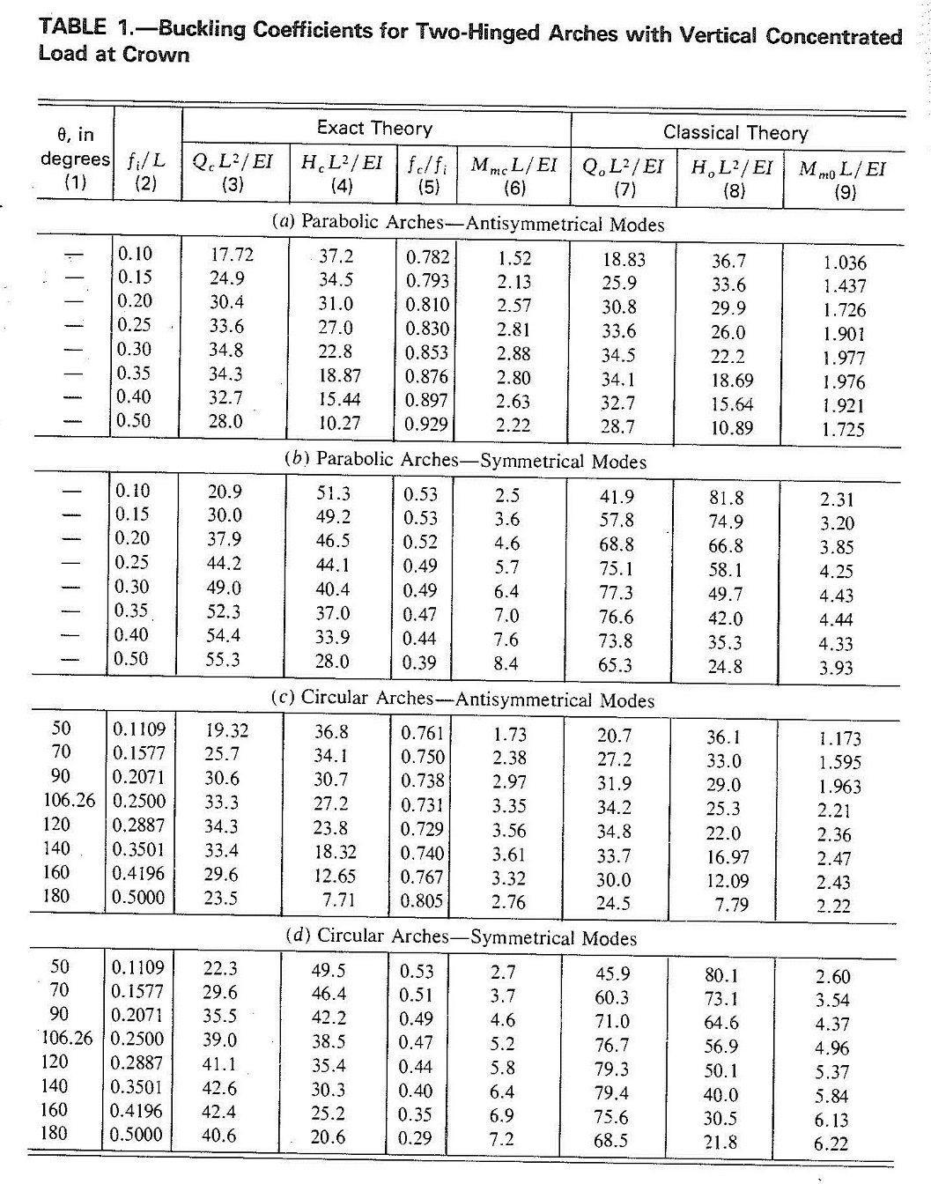
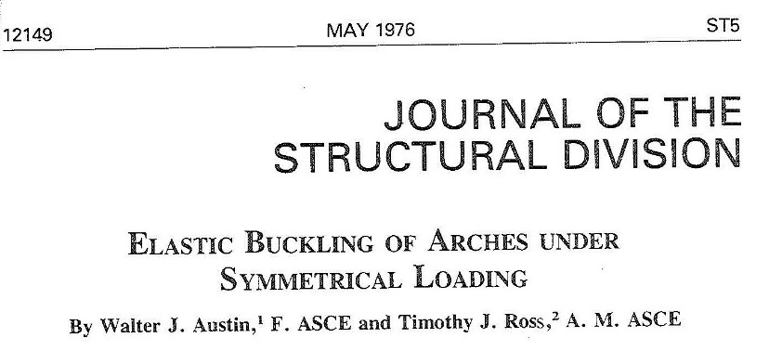

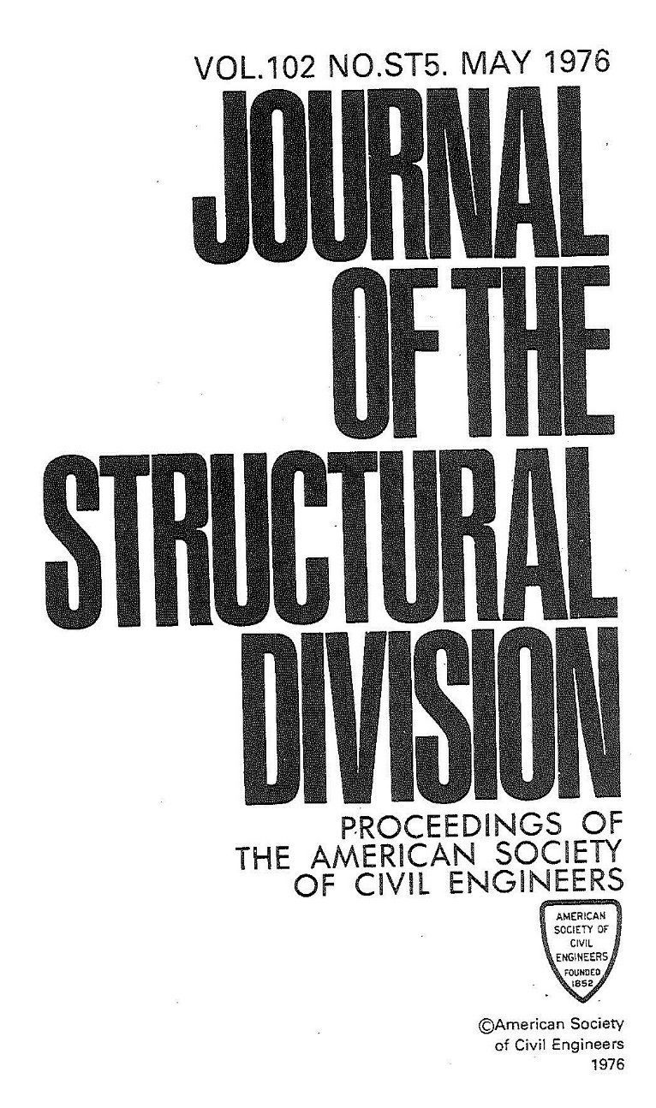

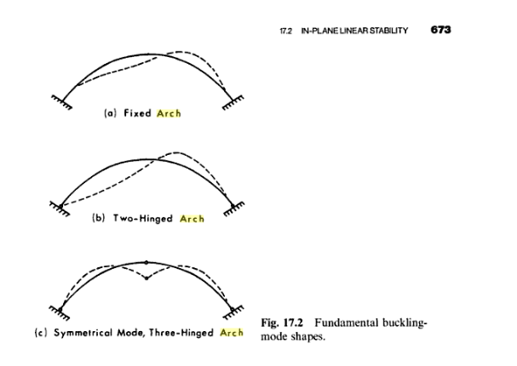

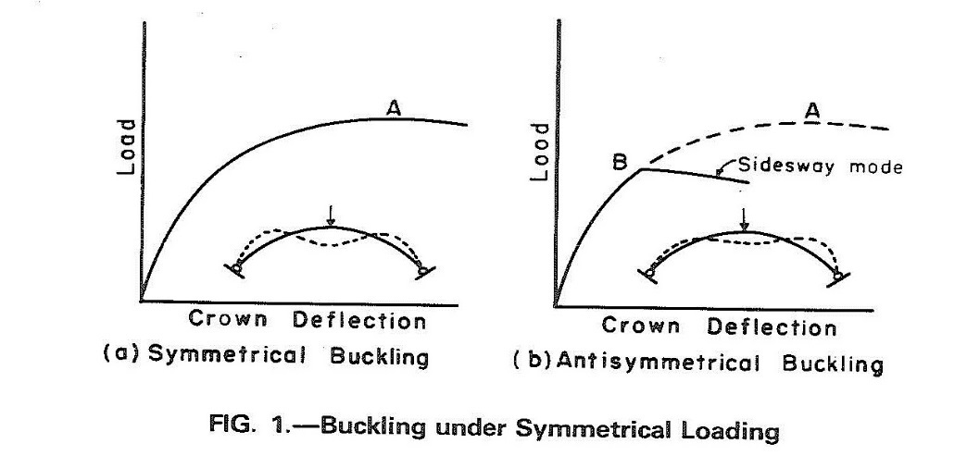

Note: | h/L= R/S = rise to span ratio |  | Note: | fi/L= R/S = rise to span ratio
 | q = qcr = critical intensity of distributed load |  |  | Q = Qcr = critical intensity of point load
 | To be conservative, Critical Load Parameter values (Ƴ4) for circular arches with two-hinged Support type are recommended to be used. |  |  | To be conservative, Critical Load Parameter values (Ƴ4) for circular arches with antisymmetrical modes (exact theory) are recommended to be used.

